lte_l1_dl_throughput_all_carri
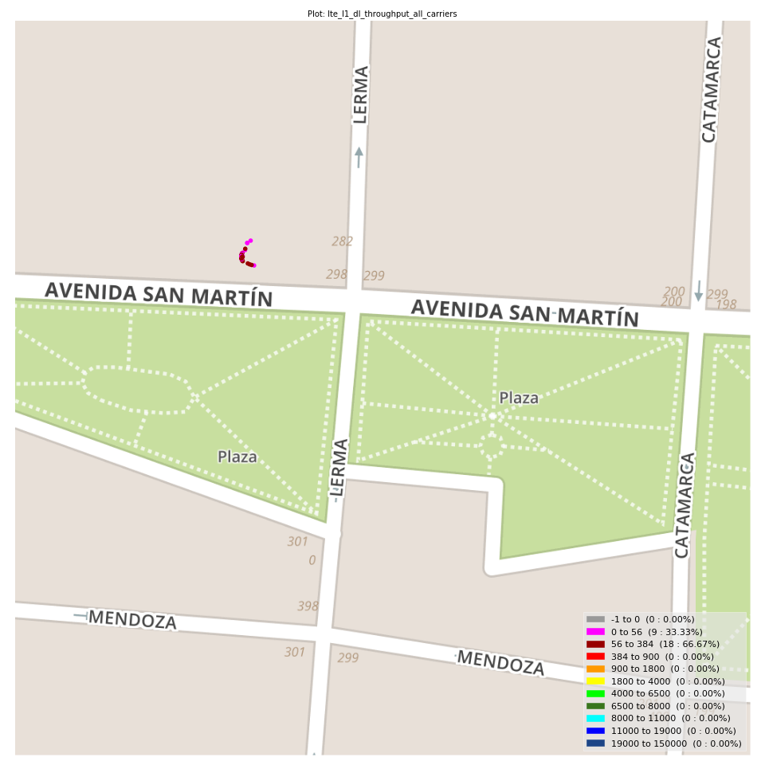
lte_l1_dl_throughput_all_carriers Report

Sampling Distribution Histogram
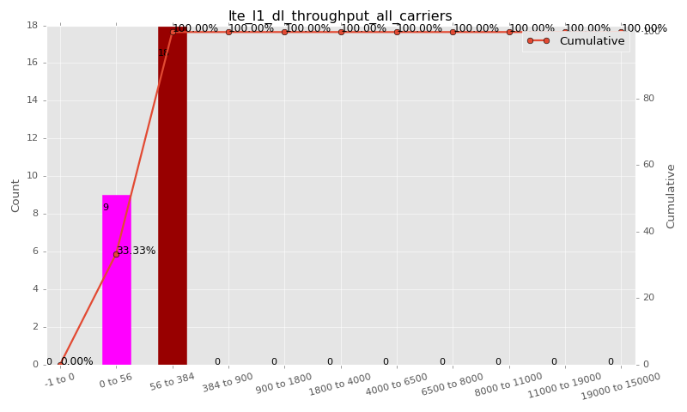

Sampling Distribution Table (first 10 ranges)
ColorXml | Lower | Upper | N Samples | Range | % | Cumulative %
 | -1 | 0 | 0 | -1 to 0 | 0.00 | 0.00
 | 0 | 56 | 9 | 0 to 56 | 33.33 | 33.33
 | 56 | 384 | 18 | 56 to 384 | 66.67 | 100.00
 | 384 | 900 | 0 | 384 to 900 | 0.00 | 100.00
 | 900 | 1800 | 0 | 900 to 1800 | 0.00 | 100.00
 | 1800 | 4000 | 0 | 1800 to 4000 | 0.00 | 100.00
 | 4000 | 6500 | 0 | 4000 to 6500 | 0.00 | 100.00
 | 6500 | 8000 | 0 | 6500 to 8000 | 0.00 | 100.00
 | 8000 | 11000 | 0 | 8000 to 11000 | 0.00 | 100.00
 | 11000 | 19000 | 0 | 11000 to 19000 | 0.00 | 100.00

Basic statistics
N | 27
Mean | 93.13
SD | 69.36
MAX | 280.00
Median | 80.00
Min | 11.33

Geographical Plot

lte_inst_rsrp_1
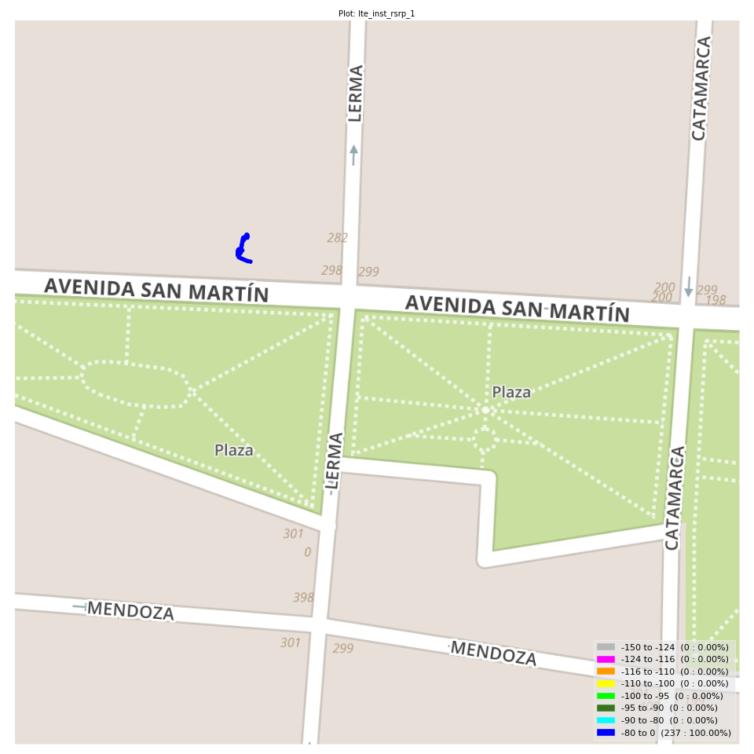
lte_inst_rsrp_1 Report

Sampling Distribution Histogram
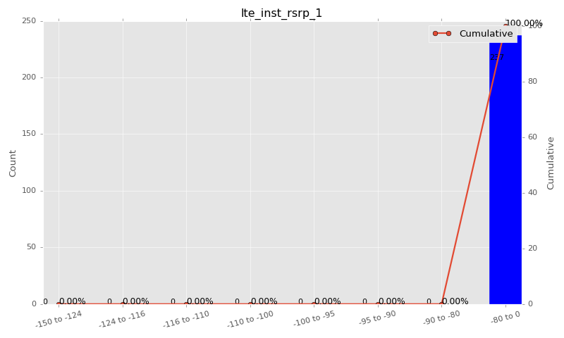

Sampling Distribution Table (first 10 ranges)
ColorXml | Lower | Upper | N Samples | Range | % | Cumulative %
 | -150 | -124 | 0 | -150 to -124 | 0.00 | 0.00
 | -124 | -116 | 0 | -124 to -116 | 0.00 | 0.00
 | -116 | -110 | 0 | -116 to -110 | 0.00 | 0.00
 | -110 | -100 | 0 | -110 to -100 | 0.00 | 0.00
 | -100 | -95 | 0 | -100 to -95 | 0.00 | 0.00
 | -95 | -90 | 0 | -95 to -90 | 0.00 | 0.00
 | -90 | -80 | 0 | -90 to -80 | 0.00 | 0.00
 | -80 | 0 | 237 | -80 to 0 | 100.00 | 100.00

Basic statistics
N | 237
Mean | -72.32
SD | 1.56
MAX | -68.50
Median | -72.16
Min | -78.75

Geographical Plot

lte_inst_rsrq_1
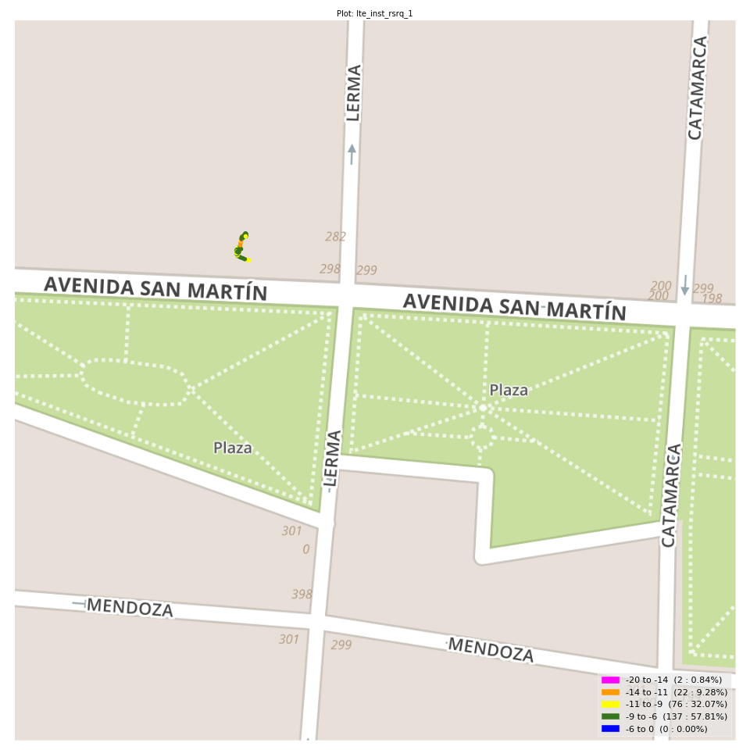
lte_inst_rsrq_1 Report

Sampling Distribution Histogram
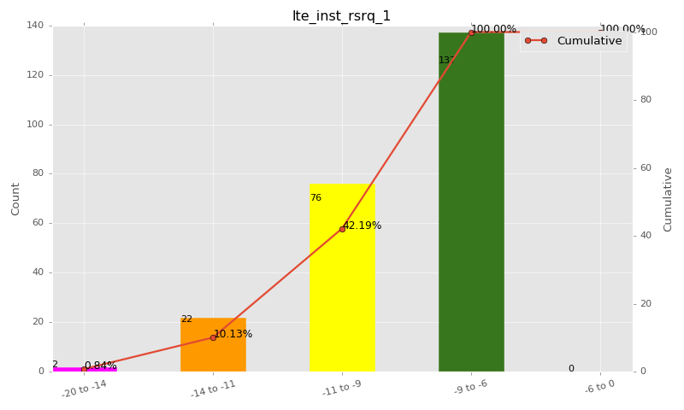

Sampling Distribution Table (first 10 ranges)
ColorXml | Lower | Upper | N Samples | Range | % | Cumulative %
 | -20 | -14 | 2 | -20 to -14 | 0.84 | 0.84
 | -14 | -11 | 22 | -14 to -11 | 9.28 | 10.13
 | -11 | -9 | 76 | -11 to -9 | 32.07 | 42.19
 | -9 | -6 | 137 | -9 to -6 | 57.81 | 100.00
 | -6 | 0 | 0 | -6 to 0 | 0.00 | 100.00

Basic statistics
N | 237
Mean | -9.11
SD | 1.53
MAX | -6.56
Median | -8.74
Min | -14.69

Geographical Plot

lte_inst_rssi_1

lte_inst_rssi_1 Report

Sampling Distribution Histogram
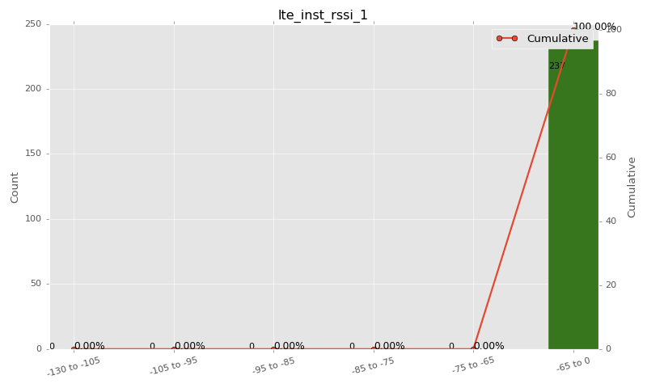

Sampling Distribution Table (first 10 ranges)
ColorXml | Lower | Upper | N Samples | Range | % | Cumulative %
 | -130 | -105 | 0 | -130 to -105 | 0.00 | 0.00
 | -105 | -95 | 0 | -105 to -95 | 0.00 | 0.00
 | -95 | -85 | 0 | -95 to -85 | 0.00 | 0.00
 | -85 | -75 | 0 | -85 to -75 | 0.00 | 0.00
 | -75 | -65 | 0 | -75 to -65 | 0.00 | 0.00
 | -65 | 0 | 237 | -65 to 0 | 100.00 | 100.00

Basic statistics
N | 237
Mean | -45.63
SD | 1.83
MAX | -41.38
Median | -45.56
Min | -52.69

Geographical Plot

lte_sinr_rx0_1

lte_sinr_rx0_1 Report

Sampling Distribution Histogram
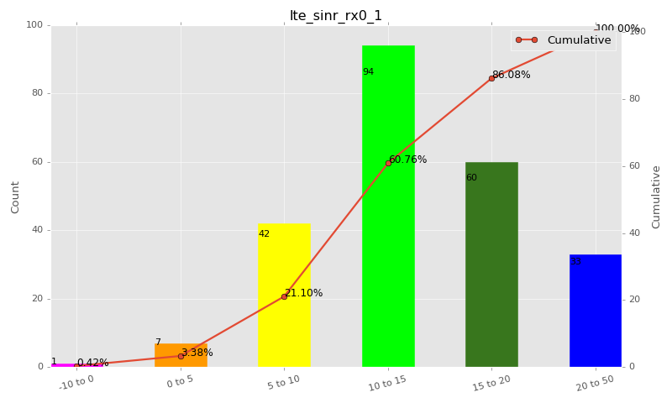

Sampling Distribution Table (first 10 ranges)
ColorXml | Lower | Upper | N Samples | Range | % | Cumulative %
 | -10 | 0 | 1 | -10 to 0 | 0.42 | 0.42
 | 0 | 5 | 7 | 0 to 5 | 2.95 | 3.38
 | 5 | 10 | 42 | 5 to 10 | 17.72 | 21.10
 | 10 | 15 | 94 | 10 to 15 | 39.66 | 60.76
 | 15 | 20 | 60 | 15 to 20 | 25.32 | 86.08
 | 20 | 50 | 33 | 20 to 50 | 13.92 | 100.00

Basic statistics
N | 237
Mean | 14.13
SD | 5.13
MAX | 26.25
Median | 13.75
Min | -5.00

Geographical Plot

lte_sinr_rx1_1

lte_sinr_rx1_1 Report

Sampling Distribution Histogram
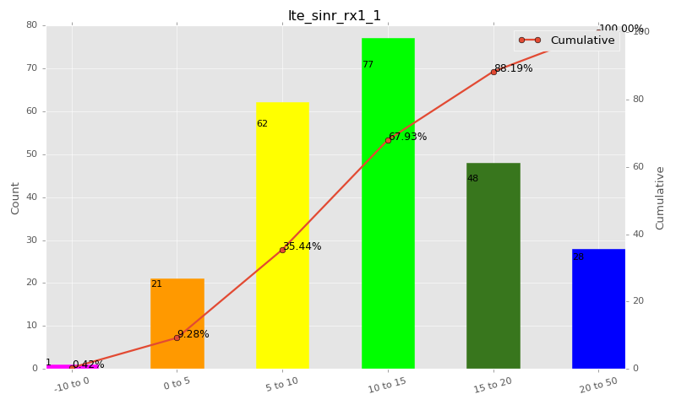

Sampling Distribution Table (first 10 ranges)
ColorXml | Lower | Upper | N Samples | Range | % | Cumulative %
 | -10 | 0 | 1 | -10 to 0 | 0.42 | 0.42
 | 0 | 5 | 21 | 0 to 5 | 8.86 | 9.28
 | 5 | 10 | 62 | 5 to 10 | 26.16 | 35.44
 | 10 | 15 | 77 | 10 to 15 | 32.49 | 67.93
 | 15 | 20 | 48 | 15 to 20 | 20.25 | 88.19
 | 20 | 50 | 28 | 20 to 50 | 11.81 | 100.00

Basic statistics
N | 237
Mean | 12.48
SD | 5.69
MAX | 26.20
Median | 11.40
Min | -2.70

Geographical Plot

lte_physical_cell_id_1
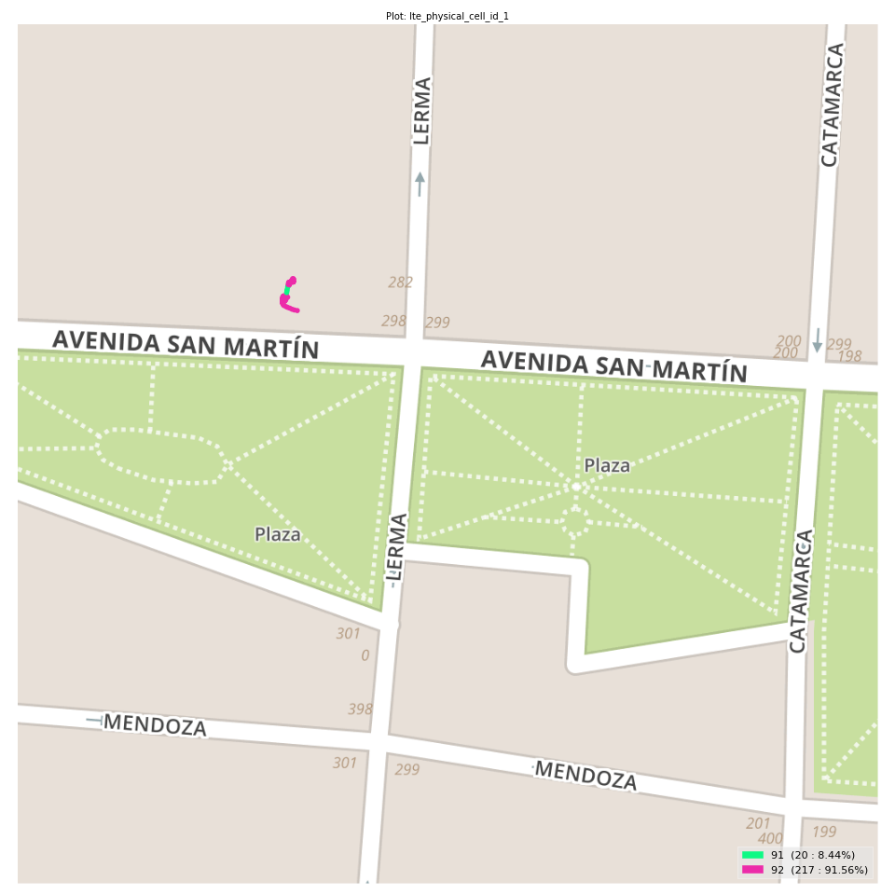
lte_physical_cell_id_1 Report

Sampling Distribution Histogram
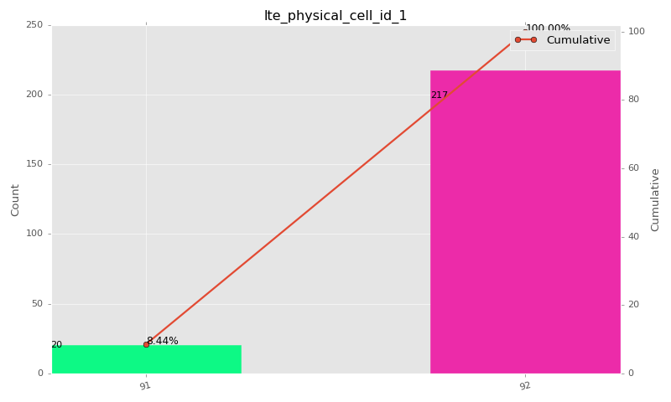

Sampling Distribution Table (first 10 ranges)
ColorXml | Lower | Upper | match_value | N Samples | Range | % | Cumulative %
 |  |  | 91 | 20 |  | 8.44 | 8.44
 |  |  | 92 | 217 |  | 91.56 | 100.00

Basic statistics
N | 237
Mean | N/A (id-type column: lte_physical_cell_id_1)
SD | N/A (id-type column: lte_physical_cell_id_1)
MAX | N/A (id-type column: lte_physical_cell_id_1)
Median | N/A (id-type column: lte_physical_cell_id_1)
Min | N/A (id-type column: lte_physical_cell_id_1)

Geographical Plot

lte_earfcn_1
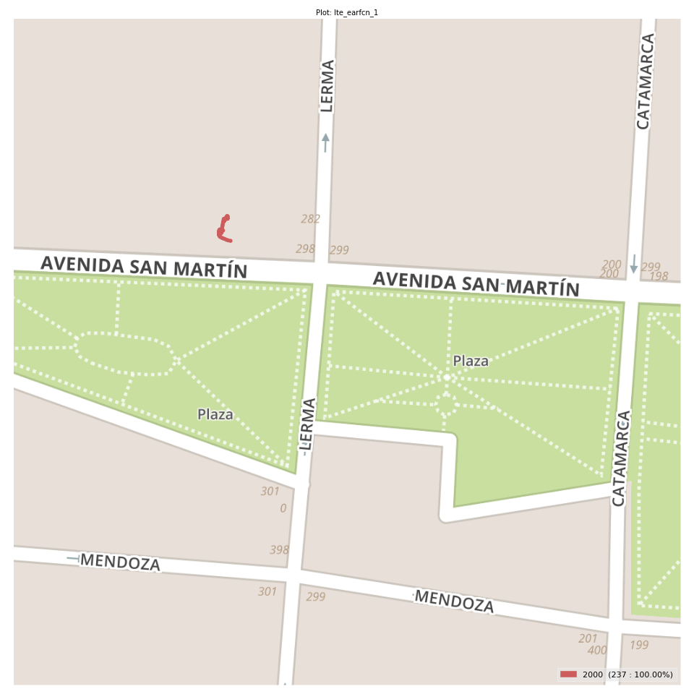
lte_earfcn_1 Report

Sampling Distribution Histogram
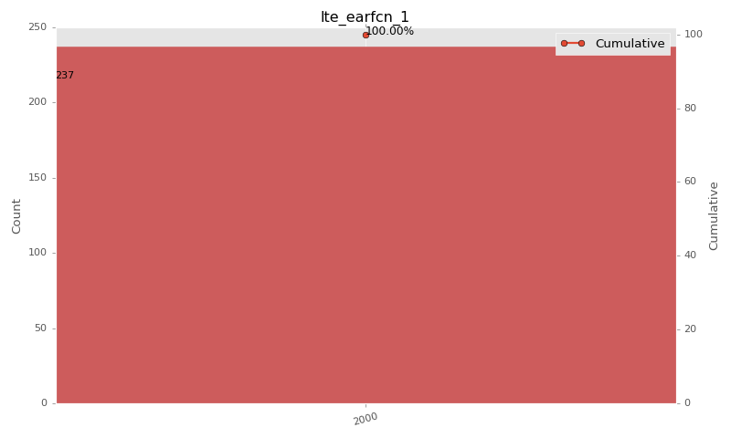

Sampling Distribution Table (first 10 ranges)
ColorXml | Lower | Upper | match_value | N Samples | Range | % | Cumulative %
 |  |  | 2000 | 237 |  | 100.00 | 100.00

Basic statistics
N | 237
Mean | N/A (id-type column: lte_earfcn_1)
SD | N/A (id-type column: lte_earfcn_1)
MAX | N/A (id-type column: lte_earfcn_1)
Median | N/A (id-type column: lte_earfcn_1)
Min | N/A (id-type column: lte_earfcn_1)

Geographical Plot

